US
U.S.
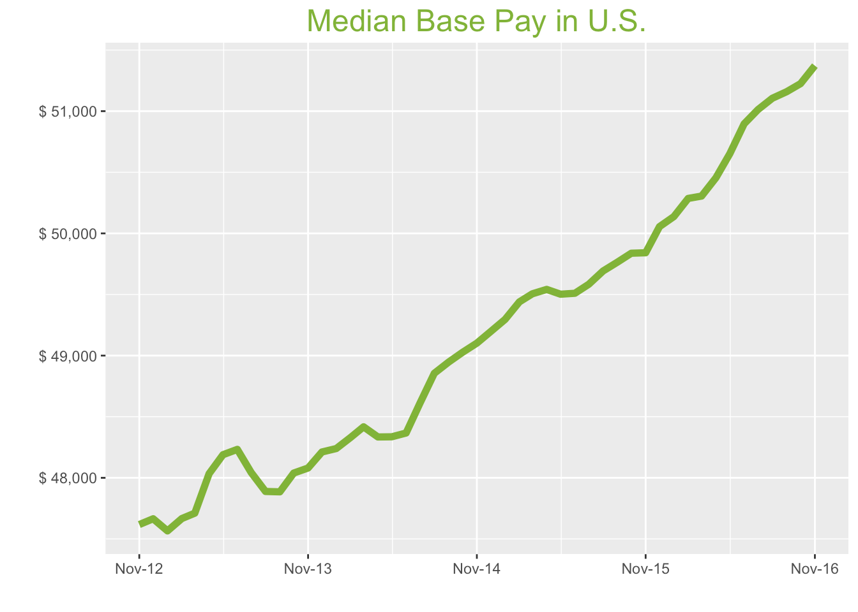
Nov-16

Job Title

Design
 | Median Base Pay | YoY
Graphic Designer | $44,012 | 5.9%
Education
 | Median Base Pay | YoY
Professor | $91,811 | 1.2%
Teacher | $44,971 | 6.4%
Engineering
 | Median Base Pay | YoY
Mechanical Engineer | $74,111 | 0.2%
Design Engineer | $73,338 | 1.5%
Electrical Engineer | $80,097 | 3.8%
Field Engineer | $68,797 | 5.8%
Finance
 | Median Base Pay | YoY
Financial Analyst | $61,831 | 0.7%
Accountant | $54,569 | 5.4%
Bank Teller | $27,601 | 4.2%
Tax Manager | $90,892 | 3.0%
Insurance Agent | $36,989 | 0.9%
Health
 | Median Base Pay | YoY
Registered Nurse | $61,659 | 4.6%
Physical Therapist | $71,468 | 1.0%
Pharmacy Technician | $30,742 | 6.1%
Medical Assistant | $32,867 | 5.6%
Physician | $194,682 | 3.5%
Medical Technologist | $51,117 | -2.5%
Emergency Medical Technician | $36,369 | 2.1%
Human Resources
 | Median Base Pay | YoY
Recruiter | $50,105 | 7.6%
Human Resources Manager | $69,054 | 0.9%
Labor
 | Median Base Pay | YoY
Technician | $44,387 | 4.0%
Warehouse Associate | $44,442 | 4.1%
Truck Driver | $52,422 | 5.3%
Machine Operator | $36,955 | 7.3%
Construction Laborer | $37,153 | 8.6%
Maintenance Worker | $41,659 | 3.1%
Law
 | Median Base Pay | YoY
Attorney | $94,486 | 9.4% | Year | Median Base Pay | YOY
Paralegal | $45,281 | 3.8% | 2016-11 | $51,372 | 3.1%
Manufacturing |  |  | 2016-10 | $51,225 | 2.8%
 | Median Base Pay | YoY | 2016-09 | $51,159 | 2.8%
Production Manager | $64,196 | 5.1% | 2016-08 | $51,106 | 2.8%
Manufacturing Engineer | $70,994 | 3.2% | 2016-07 | $51,013 | 2.9%
Media |  |  | 2016-06 | $50,896 | 2.8%
 | Median Base Pay | YoY | 2016-05 | $50,652 | 2.3%
Producer | $52,130 | 5.8% | 2016-04 | $50,455 | 1.8%
Technical Editor | $52,068 | 3.5% | 2016-03 | $50,305 | 1.6%
Operations |  |  | 2016-02 | $50,286 | 1.7%
 | Median Base Pay | YoY | 2016-01 | $50,137 | 1.7%
Operations Manager | $64,219 | 6.3% | 2015-12 | $50,055 | 1.7%
Operations Analyst | $54,506 | 3.9% | 2015-11 | $49,841 | 1.5%
Professional Services |  |  | 2015-10 | $49,838 | 1.7%
 | Median Base Pay | YoY | 2015-09 | $49,765 | 1.7%
Consultant | $73,587 | 2.7% | 2015-08 | $49,692 | 1.7%
Project Manager | $75,529 | 1.4% | 2015-07 | $49,584 | 2.0%
Business Analyst | $63,412 | 3.1% | 2015-06 | $49,510 | 2.4%
Administrative Assistant | $38,186 | 2.8% | 2015-05 | $49,502 | 2.4%
Marketing Manager | $68,470 | 4.8% | 2015-04 | $49,542 | 2.5%
Product Manager | $92,852 | 7.5% | 2015-03 | $49,506 | 2.2%
Customer Service Manager | $49,218 | 8.1% | 2015-02 | $49,440 | 2.3%
Business Development Manager | $71,399 | 6.4% | 2015-01 | $49,296 | 2.2%
Communications Manager | $62,033 | 1.5% | 2014-12 | $49,197 | 2.0%
Real Estate |  |  | 2014-11 | $49,102 | 2.1%
 | Median Base Pay | YoY | 2014-10 | $49,027 | 2.1%
Property Manager | $45,226 | 3.1% | 2014-09 | $48,947 | 2.2%
Food Services |  |  | 2014-08 | $48,855 | 2.0%
 | Median Base Pay | YoY | 2014-07 | $48,611 | 1.2%
Restaurant Cook | $29,374 | 3.6% | 2014-06 | $48,367 | 0.3%
Retail |  |  | 2014-05 | $48,336 | 0.3%
 | Median Base Pay | YoY | 2014-04 | $48,334 | 0.6%
Store Manager | $46,610 | 4.6% | 2014-03 | $48,417 | 1.5%
Cashier | $28,357 | 5.4% | 2014-02 | $48,330 | 1.4%
Buyer | $55,478 | 1.8% | 2014-01 | $48,240 | 1.4%
Retail Key Holder | $31,041 | 5.7% | 2013-12 | $48,211 | 1.1%
Sales |  |  | 2013-11 | $48,080 | 1.0%
 | Median Base Pay | YoY | 2013-10 | $48,039 | n.a.
Sales Representative | $44,992 | 3.2% | 2013-09 | $47,885 | n.a.
Sales Manager | $58,406 | 4.4% | 2013-08 | $47,888 | n.a.
Technology |  |  | 2013-07 | $48,043 | n.a.
 | Median Base Pay | YoY | 2013-06 | $48,233 | n.a.
Software Engineer | $86,280 | 2.0% | 2013-05 | $48,189 | n.a.
Programmer Analyst | $64,738 | 3.2% | 2013-04 | $48,034 | n.a.
Web Developer | $64,345 | 1.4% | 2013-03 | $47,711 | n.a.
Data Scientist | $98,275 | 0.9% | 2013-02 | $47,667 | n.a.
Data Analyst | $59,479 | 6.1% | 2013-01 | $47,566 | n.a.
Java Developer | $72,638 | 0.7% | 2012-12 | $47,665 | n.a.
Quality Engineer | $71,241 | -0.9% | 2012-11 | $47,618 | n.a.
Web Designer | $58,436 | 4.3%

U.S. Quick Facts

 | Nov-16 | YoY
U.S. Median Pay | $51,372 | 3.1%

Industry

 | Median Base Pay
Accounting & Legal | $52,064
Aerospace & Defense | $55,675
Architecture & Civil Engineering | $52,885
Arts & Entertainment | $45,571
Automotive | $47,224
Banking & Financial Services | $51,426
Beauty & Fitness | $44,534
Biotech & Pharmaceuticals | $55,690
Business Services | $50,137
Computer Software & Hardware | $52,736
Construction | $52,286
Consulting | $53,104
Consumer Electronics | $45,397
Consumer Services | $47,766
Education & Schools | $46,652
Energy & Utilities | $58,240
Facilities | $46,908
Farming & Agriculture | $51,635
Government | $51,417
Health Care & Hospitals | $49,752
Information Technology | $51,733
Insurance | $51,702
Internet & Tech | $52,266
Manufacturing | $52,899
Marketing & Advertising | $48,701
Media & Publishing | $49,988
Nonprofit | $46,259
Private Security | $46,919
Real Estate | $49,243
Recruiting & Staffing | $48,227
Restaurants & Bars | $46,401
Retail | $46,356
Supermarkets | $48,282
Telecommunications | $50,515
Transportation & Logistics | $49,060
Travel & Tourism | $47,367
Wholesale | $50,356

Employer Size

 | Median Base Pay
<51 | $46,971
51-200 | $47,999
201-500 | $48,786
501-1000 | $49,525
1001-5000 | $50,881
5000+ | $51,841

SF
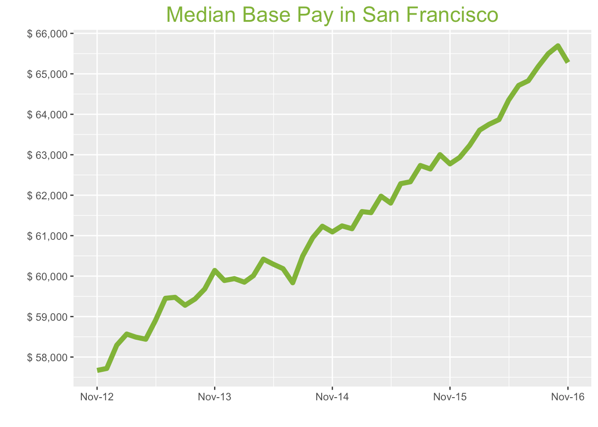
San Francisco Metro

Nov-16

Job Title

Design
 | Median Base Pay | YoY
Graphic Designer | $65,587 | 6.2%
Education
 | Median Base Pay | YoY
Professor | $136,482 | 1.5%
Teacher | $60,881 | 6.8%
Engineering
 | Median Base Pay | YoY
Mechanical Engineer | $93,257 | 0.5%
Design Engineer | $94,182 | 1.8%
Electrical Engineer | $100,959 | 4.1%
Field Engineer | $80,696 | 6.2%
Finance
 | Median Base Pay | YoY
Financial Analyst | $79,406 | 1.0%
Accountant | $67,733 | 5.7%
Bank Teller | $31,570 | 4.6%
Tax Manager | $114,139 | 3.3%
Insurance Agent | $41,567 | 1.2%
Health
 | Median Base Pay | YoY
Registered Nurse | $115,746 | 5.0%
Physical Therapist | $90,785 | 1.3%
Pharmacy Technician | $45,165 | 6.4%
Medical Assistant | $49,926 | 5.9%
Physician | $244,974 | 3.8%
Medical Technologist | $64,322 | -2.2%
Emergency Medical Technician | $42,386 | 2.4%
Human Resources
 | Median Base Pay | YoY
Recruiter | $67,900 | 8.0%
Human Resources Manager | $98,917 | 1.2%
Labor
 | Median Base Pay | YoY
Technician | $55,759 | 4.3%
Warehouse Associate | $55,922 | 4.5%
Truck Driver | $65,046 | 5.6%
Machine Operator | $46,501 | 7.6%
Construction Laborer | $46,751 | 9.0%
Maintenance Worker | $52,421 | 3.4%
Law
 | Median Base Pay | YoY
Attorney | $139,828 | 9.8%
Paralegal | $62,854 | 4.1%
Manufacturing
 | Median Base Pay | YoY
Production Manager | $84,693 | 5.4%
Manufacturing Engineer | $90,686 | 3.6%
Media
 | Median Base Pay | YoY
Producer | $83,884 | 6.2%
Technical Editor | $65,518 | 3.8%
Operations
 | Median Base Pay | YoY
Operations Manager | $80,476 | 6.7%
Operations Analyst | $71,767 | 4.2%
Professional Services
 | Median Base Pay | YoY
Consultant | $97,500 | 3.0%
Project Manager | $94,022 | 1.7%
Business Analyst | $81,685 | 3.4%
Administrative Assistant | $52,257 | 3.2%
Marketing Manager | $96,662 | 5.1%
Product Manager | $123,835 | 7.9%
Customer Service Manager | $60,744 | 8.5%
Business Development Manager | $89,547 | 6.7%
Communications Manager | $87,862 | 1.8%
Real Estate
 | Median Base Pay | YoY
Property Manager | $61,699 | 3.5%
Food Services
 | Median Base Pay | YoY
Restaurant Cook | $35,894 | 3.9%
Retail
 | Median Base Pay | YoY
Store Manager | $61,676 | 4.9%
Cashier | $33,571 | 5.8%
Buyer | $74,597 | 2.1%
Retail Key Holder | $38,481 | 6.0%
Sales
 | Median Base Pay | YoY
Sales Representative | $55,619 | 3.5%
Sales Manager | $76,309 | 4.7%
Technology
 | Median Base Pay | YoY
Software Engineer | $115,963 | 2.4%
Programmer Analyst | $82,896 | 3.6%
Web Developer | $94,645 | 1.8%
Data Scientist | $135,853 | 1.2%
Data Analyst | $85,915 | 6.5%
Java Developer | $102,134 | 1.0%
Quality Engineer | $85,865 | -0.6%
Web Designer | $84,861 | 4.7%

San Francisco Quick Facts

 | Nov-16 | YoY
San Francisco Median Pay | $65,280 | 4.0%
U.S. Median Pay | $51,372 | 3.1%
Job Openings | 110,791 | 11.8%
 | Sep-16 | YoY
Labor Force Size* | 2,575,626 | 2.8%
Total Employment* | 2,476,554 | 2.8%
Unemployment Rate* | 3.80% | -0.1%

Industry

 | Median Base Pay
Accounting & Legal | $65,514
Aerospace & Defense | $70,058
Architecture & Civil Engineering | $66,546
Arts & Entertainment | $57,343
Automotive | $59,423
Banking & Financial Services | $64,710
Beauty & Fitness | $56,038
Biotech & Pharmaceuticals | $70,076
Business Services | $63,089
Computer Software & Hardware | $66,359
Construction | $65,793
Consulting | $66,822
Consumer Electronics | $57,125
Consumer Services | $60,105
Education & Schools | $58,703
Energy & Utilities | $73,285
Facilities | $59,026
Farming & Agriculture | $64,974
Government | $64,699
Health Care & Hospitals | $62,604
Information Technology | $65,097
Insurance | $65,058
Internet & Tech | $65,768
Manufacturing | $66,564
Marketing & Advertising | $61,282
Media & Publishing | $62,902
Nonprofit | $58,209
Private Security | $59,040
Real Estate | $61,964
Recruiting & Staffing | $60,685
Restaurants & Bars | $58,387
Retail | $58,331
Supermarkets | $60,754
Telecommunications | $63,564
Transportation & Logistics | $61,734
Travel & Tourism | $59,603
Wholesale | $63,365

Employer Size

 | Median Base Pay
<51 | $59,105
51-200 | $60,399
201-500 | $61,388
501-1000 | $62,318
1001-5000 | $64,025
5000+ | $65,233

LA
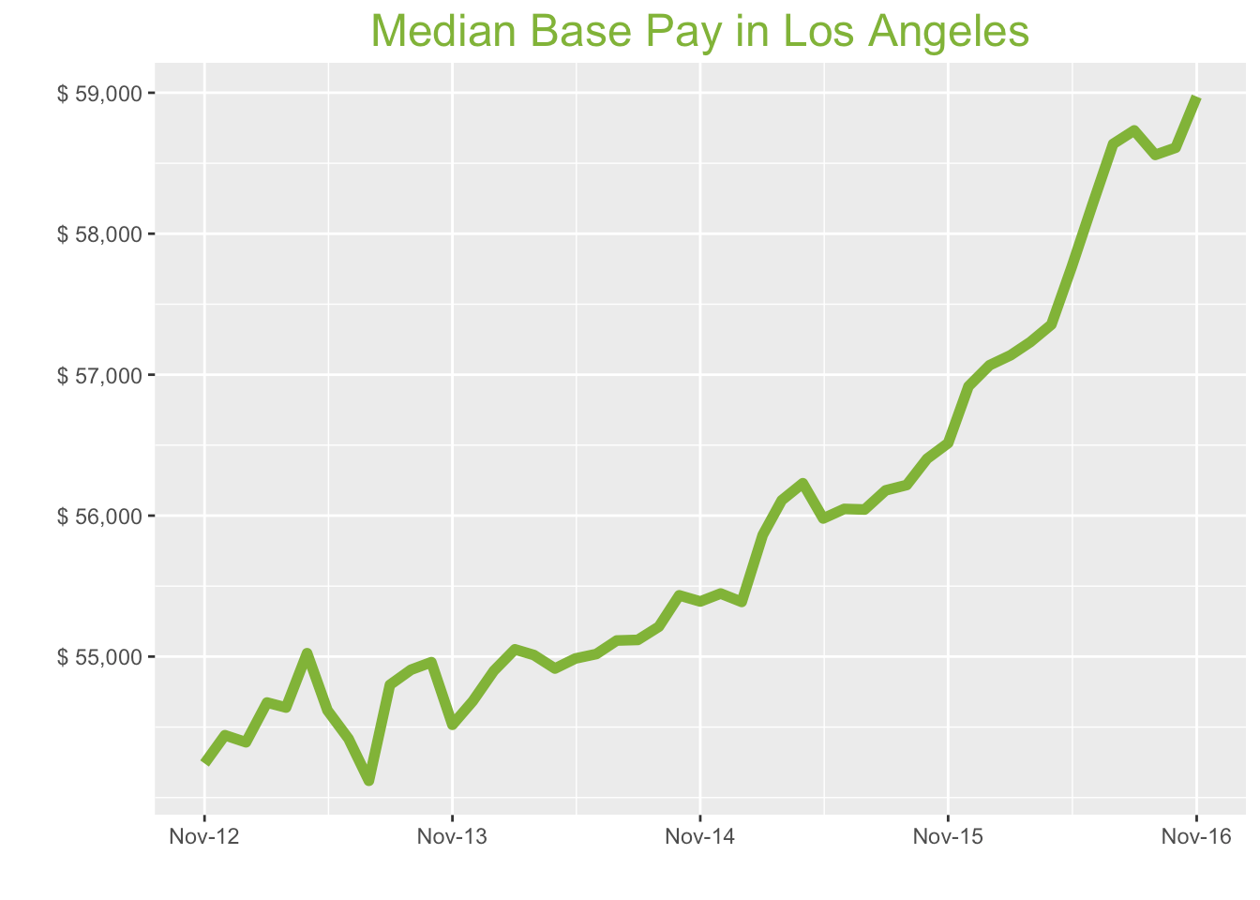
Los Angeles Metro

Nov-16

Job Title

Design
 | Median Base Pay | YoY
Graphic Designer | $56,605 | 7.4%
Education
 | Median Base Pay | YoY
Professor | $121,442 | 2.6%
Teacher | $59,456 | 7.9%
Engineering
 | Median Base Pay | YoY
Mechanical Engineer | $82,695 | 1.6%
Design Engineer | $87,255 | 2.9%
Electrical Engineer | $90,744 | 5.2%
Field Engineer | $76,848 | 7.3%
Finance
 | Median Base Pay | YoY
Financial Analyst | $70,054 | 2.1%
Accountant | $60,899 | 6.9%
Bank Teller | $30,150 | 5.7%
Tax Manager | $106,840 | 4.4%
Insurance Agent | $41,069 | 2.3%
Health
 | Median Base Pay | YoY
Registered Nurse | $88,073 | 6.1%
Physical Therapist | $90,347 | 2.4%
Pharmacy Technician | $37,420 | 7.6%
Medical Assistant | $37,902 | 7.1%
Physician | $224,477 | 5.0%
Medical Technologist | $58,940 | -1.2%
Emergency Medical Technician | $34,957 | 3.5%
Human Resources
 | Median Base Pay | YoY
Recruiter | $59,336 | 9.1%
Human Resources Manager | $86,853 | 2.3%
Labor
 | Median Base Pay | YoY
Technician | $51,653 | 5.5%
Warehouse Associate | $47,796 | 5.6%
Truck Driver | $55,555 | 6.8%
Machine Operator | $35,615 | 8.8%
Construction Laborer | $39,800 | 10.1%
Maintenance Worker | $46,074 | 4.5%
Law
 | Median Base Pay | YoY
Attorney | $129,784 | 10.9%
Paralegal | $53,585 | 5.2%
Manufacturing
 | Median Base Pay | YoY
Production Manager | $77,935 | 6.6%
Manufacturing Engineer | $80,057 | 4.7%
Media
 | Median Base Pay | YoY
Producer | $83,381 | 7.3%
Technical Editor | $60,037 | 5.0%
Operations
 | Median Base Pay | YoY
Operations Manager | $74,079 | 7.8%
Operations Analyst | $63,177 | 5.3%
Professional Services
 | Median Base Pay | YoY
Consultant | $93,205 | 4.1%
Project Manager | $87,349 | 2.8%
Business Analyst | $72,737 | 4.5%
Administrative Assistant | $47,315 | 4.3%
Marketing Manager | $83,393 | 6.2%
Product Manager | $107,518 | 9.0%
Customer Service Manager | $57,738 | 9.7%
Business Development Manager | $84,027 | 7.9%
Communications Manager | $73,485 | 2.9%
Real Estate
 | Median Base Pay | YoY
Property Manager | $56,673 | 4.6%
Food Services
 | Median Base Pay | YoY
Restaurant Cook | $33,060 | 5.0%
Retail
 | Median Base Pay | YoY
Store Manager | $59,126 | 6.1%
Cashier | $31,402 | 6.9%
Buyer | $62,141 | 3.2%
Retail Key Holder | $35,511 | 7.2%
Sales
 | Median Base Pay | YoY
Sales Representative | $51,809 | 4.6%
Sales Manager | $71,797 | 5.8%
Technology
 | Median Base Pay | YoY
Software Engineer | $99,879 | 3.5%
Programmer Analyst | $74,646 | 4.7%
Web Developer | $77,951 | 2.9%
Data Scientist | $121,408 | 2.3%
Data Analyst | $70,922 | 7.6%
Java Developer | $88,838 | 2.1%
Quality Engineer | $81,461 | 0.4%
Web Designer | $67,063 | 5.8%

Los Angeles Quick Facts

 | Nov-16 | YoY
Los Angeles Median Pay | $58,973 | 4.3%
U.S. Median Pay | $51,372 | 3.1%
Job Openings | 164,036 | 9.8%
 | Sep-16 | YoY
Labor Force Size* | 6,786,622 | 3.1%
Total Employment* | 6,451,780 | 4.0%
Unemployment Rate* | 4.90% | -0.8%

Industry

 | Median Base Pay
Accounting & Legal | $60,033
Aerospace & Defense | $64,196
Architecture & Civil Engineering | $60,979
Arts & Entertainment | $52,545
Automotive | $54,451
Banking & Financial Services | $59,296
Beauty & Fitness | $51,349
Biotech & Pharmaceuticals | $64,213
Business Services | $57,810
Computer Software & Hardware | $60,807
Construction | $60,288
Consulting | $61,231
Consumer Electronics | $52,345
Consumer Services | $55,076
Education & Schools | $53,792
Energy & Utilities | $67,154
Facilities | $54,087
Farming & Agriculture | $59,537
Government | $59,286
Health Care & Hospitals | $57,366
Information Technology | $59,650
Insurance | $59,615
Internet & Tech | $60,265
Manufacturing | $60,995
Marketing & Advertising | $56,154
Media & Publishing | $57,639
Nonprofit | $53,339
Private Security | $54,100
Real Estate | $56,780
Recruiting & Staffing | $55,608
Restaurants & Bars | $53,502
Retail | $53,451
Supermarkets | $55,671
Telecommunications | $58,246
Transportation & Logistics | $56,569
Travel & Tourism | $54,616
Wholesale | $58,063

Employer Size

 | Median Base Pay
<51 | $54,160
51-200 | $55,346
201-500 | $56,252
501-1000 | $57,104
1001-5000 | $58,668
5000+ | $59,775

CHI
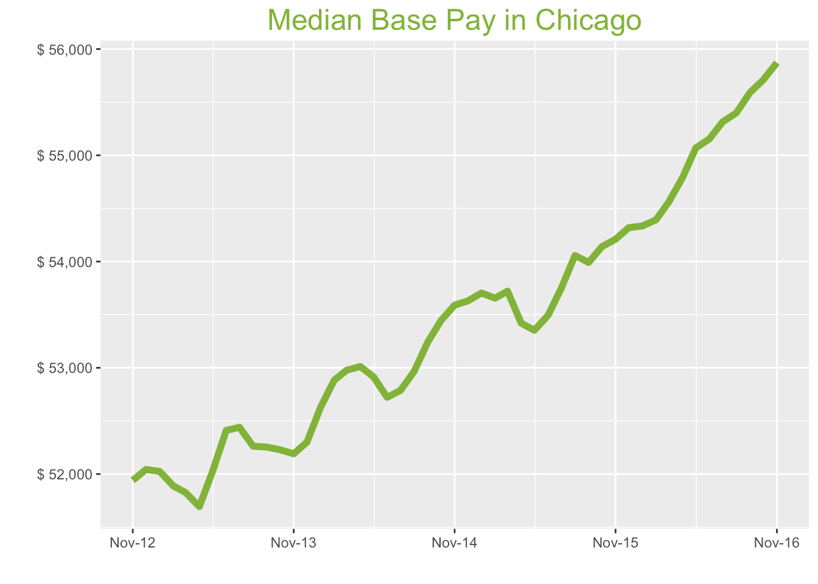
Chicago Metro

Nov-16

Job Title

Design
 | Median Base Pay | YoY
Graphic Designer | $48,872 | 5.6%
Education
 | Median Base Pay | YoY
Professor | $105,918 | 0.9%
Teacher | $51,962 | 6.1%
Engineering
 | Median Base Pay | YoY
Mechanical Engineer | $75,167 | -0.1%
Design Engineer | $77,406 | 1.2%
Electrical Engineer | $83,000 | 3.5%
Field Engineer | $68,483 | 5.5%
Finance
 | Median Base Pay | YoY
Financial Analyst | $65,172 | 0.4%
Accountant | $59,350 | 5.1%
Bank Teller | $28,316 | 3.9%
Tax Manager | $101,915 | 2.7%
Insurance Agent | $36,757 | 0.6%
Health
 | Median Base Pay | YoY
Registered Nurse | $70,215 | 4.3%
Physical Therapist | $74,937 | 0.7%
Pharmacy Technician | $32,813 | 5.8%
Medical Assistant | $36,171 | 5.3%
Physician | $211,930 | 3.2%
Medical Technologist | $52,433 | -2.8%
Emergency Medical Technician | $33,605 | 1.8%
Human Resources
 | Median Base Pay | YoY
Recruiter | $51,726 | 7.3%
Human Resources Manager | $84,125 | 0.6%
Labor
 | Median Base Pay | YoY
Technician | $46,684 | 3.7%
Warehouse Associate | $48,379 | 3.8%
Truck Driver | $54,444 | 5.0%
Machine Operator | $38,304 | 6.9%
Construction Laborer | $41,124 | 8.3%
Maintenance Worker | $44,514 | 2.8%
Law
 | Median Base Pay | YoY
Attorney | $115,308 | 9.1%
Paralegal | $52,040 | 3.5%
Manufacturing
 | Median Base Pay | YoY
Production Manager | $68,462 | 4.8%
Manufacturing Engineer | $74,395 | 2.9%
Media
 | Median Base Pay | YoY
Producer | $67,417 | 5.5%
Technical Editor | $56,681 | 3.2%
Operations
 | Median Base Pay | YoY
Operations Manager | $68,885 | 6.0%
Operations Analyst | $62,475 | 3.6%
Professional Services
 | Median Base Pay | YoY
Consultant | $89,007 | 2.4%
Project Manager | $82,589 | 1.1%
Business Analyst | $72,156 | 2.8%
Administrative Assistant | $43,656 | 2.5%
Marketing Manager | $80,089 | 4.4%
Product Manager | $99,448 | 7.2%
Customer Service Manager | $53,999 | 7.8%
Business Development Manager | $76,105 | 6.1%
Communications Manager | $69,204 | 1.2%
Real Estate
 | Median Base Pay | YoY
Property Manager | $52,682 | 2.8%
Food Services
 | Median Base Pay | YoY
Restaurant Cook | $30,801 | 3.2%
Retail
 | Median Base Pay | YoY
Store Manager | $51,877 | 4.3%
Cashier | $29,845 | 5.1%
Buyer | $62,942 | 1.5%
Retail Key Holder | $33,390 | 5.4%
Sales
 | Median Base Pay | YoY
Sales Representative | $49,423 | 2.9%
Sales Manager | $67,854 | 4.0%
Technology
 | Median Base Pay | YoY
Software Engineer | $88,436 | 1.7%
Programmer Analyst | $71,048 | 2.9%
Web Developer | $73,514 | 1.1%
Data Scientist | $110,132 | 0.6%
Data Analyst | $64,909 | 5.8%
Java Developer | $83,934 | 0.4%
Quality Engineer | $73,682 | -1.2%
Web Designer | $69,084 | 4.0%

Chicago Quick Facts

 | Nov-16 | YoY
Chicago Median Pay | $55,872 | 3.1%
U.S. Median Pay | $51,372 | 3.1%
Job Openings | 167,421 | 22.1%
 | Sep-16 | YoY
Labor Force Size* | 4,935,853 | 1.6%
Total Employment* | 4,678,557 | 1.5%
Unemployment Rate* | 5.20% | 0.1%

Industry

 | Median Base Pay
Accounting & Legal | $56,677
Aerospace & Defense | $60,608
Architecture & Civil Engineering | $57,570
Arts & Entertainment | $49,608
Automotive | $51,408
Banking & Financial Services | $55,982
Beauty & Fitness | $48,479
Biotech & Pharmaceuticals | $60,623
Business Services | $54,579
Computer Software & Hardware | $57,408
Construction | $56,918
Consulting | $57,809
Consumer Electronics | $49,419
Consumer Services | $51,997
Education & Schools | $50,785
Energy & Utilities | $63,400
Facilities | $51,064
Farming & Agriculture | $56,210
Government | $55,972
Health Care & Hospitals | $54,160
Information Technology | $56,316
Insurance | $56,283
Internet & Tech | $56,896
Manufacturing | $57,585
Marketing & Advertising | $53,015
Media & Publishing | $54,417
Nonprofit | $50,357
Private Security | $51,076
Real Estate | $53,606
Recruiting & Staffing | $52,499
Restaurants & Bars | $50,512
Retail | $50,463
Supermarkets | $52,559
Telecommunications | $54,990
Transportation & Logistics | $53,407
Travel & Tourism | $51,563
Wholesale | $54,817

Employer Size

 | Median Base Pay
<51 | $51,132
51-200 | $52,252
201-500 | $53,108
501-1000 | $53,912
1001-5000 | $55,389
5000+ | $56,434

HOU
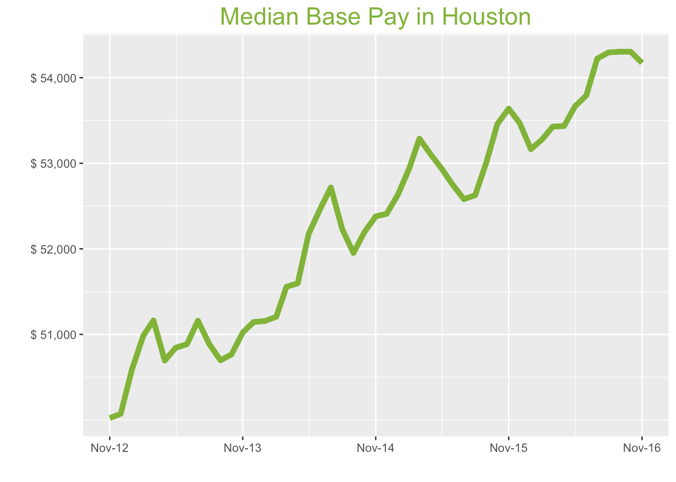
Houston Metro

Nov-16

Job Title

Design
 | Median Base Pay | YoY
Graphic Designer | $46,251 | 4.0%
Education
 | Median Base Pay | YoY
Professor | $96,741 | -0.7%
Teacher | $49,271 | 4.5%
Engineering
 | Median Base Pay | YoY
Mechanical Engineer | $81,583 | -1.6%
Design Engineer | $82,983 | -0.4%
Electrical Engineer | $85,952 | 1.9%
Field Engineer | $70,179 | 3.9%
Finance
 | Median Base Pay | YoY
Financial Analyst | $67,968 | -1.2%
Accountant | $58,131 | 3.4%
Bank Teller | $27,614 | 2.3%
Tax Manager | $100,976 | 1.1%
Insurance Agent | $35,035 | -1.0%
Health
 | Median Base Pay | YoY
Registered Nurse | $71,432 | 2.7%
Physical Therapist | $75,455 | -0.9%
Pharmacy Technician | $32,792 | 4.1%
Medical Assistant | $36,009 | 3.6%
Physician | $204,648 | 1.6%
Medical Technologist | $54,916 | -4.3%
Emergency Medical Technician | $41,045 | 0.2%
Human Resources
 | Median Base Pay | YoY
Recruiter | $52,086 | 5.6%
Human Resources Manager | $78,873 | -1.0%
Labor
 | Median Base Pay | YoY
Technician | $46,722 | 2.1%
Warehouse Associate | $43,444 | 2.2%
Truck Driver | $54,440 | 3.4%
Machine Operator | $39,216 | 5.3%
Construction Laborer | $34,554 | 6.6%
Maintenance Worker | $43,145 | 1.2%
Law
 | Median Base Pay | YoY
Attorney | $124,595 | 7.4%
Paralegal | $49,488 | 1.9%
Manufacturing
 | Median Base Pay | YoY
Production Manager | $65,156 | 3.2%
Manufacturing Engineer | $76,370 | 1.3%
Media
 | Median Base Pay | YoY
Producer | $60,181 | 3.9%
Technical Editor | $54,733 | 1.6%
Operations
 | Median Base Pay | YoY
Operations Manager | $67,507 | 4.4%
Operations Analyst | $62,925 | 2.0%
Professional Services
 | Median Base Pay | YoY
Consultant | $83,858 | 0.8%
Project Manager | $84,673 | -0.5%
Business Analyst | $69,045 | 1.2%
Administrative Assistant | $41,606 | 0.9%
Marketing Manager | $76,013 | 2.8%
Product Manager | $98,052 | 5.6%
Customer Service Manager | $48,124 | 6.2%
Business Development Manager | $80,080 | 4.5%
Communications Manager | $64,339 | -0.4%
Real Estate
 | Median Base Pay | YoY
Property Manager | $49,829 | 1.2%
Food Services
 | Median Base Pay | YoY
Restaurant Cook | $27,427 | 1.6%
Retail
 | Median Base Pay | YoY
Store Manager | $49,572 | 2.7%
Cashier | $27,444 | 3.5%
Buyer | $58,318 | -0.1%
Retail Key Holder | $31,684 | 3.7%
Sales
 | Median Base Pay | YoY
Sales Representative | $48,253 | 1.3%
Sales Manager | $65,617 | 2.4%
Technology
 | Median Base Pay | YoY
Software Engineer | $82,640 | 0.2%
Programmer Analyst | $66,851 | 1.3%
Web Developer | $69,538 | -0.4%
Data Scientist | $103,306 | -1.0%
Data Analyst | $62,460 | 4.2%
Java Developer | $76,356 | -1.2%
Quality Engineer | $70,341 | -2.8%
Web Designer | $61,428 | 2.4%

Houston Quick Facts

 | Nov-16 | YoY
Houston Median Pay | $54,173 | 1.0%
U.S. Median Pay | $51,372 | 3.1%
Job Openings | 74,840 | 3.4%
 | Sep-16 | YoY
Labor Force Size* | 3,318,885 | 2.2%
Total Employment* | 3,128,520 | 1.2%
Unemployment Rate* | 5.70% | 0.9%

Industry

 | Median Base Pay
Accounting & Legal | $54,730
Aerospace & Defense | $58,526
Architecture & Civil Engineering | $55,592
Arts & Entertainment | $47,904
Automotive | $49,641
Banking & Financial Services | $54,058
Beauty & Fitness | $46,813
Biotech & Pharmaceuticals | $58,541
Business Services | $52,704
Computer Software & Hardware | $55,436
Construction | $54,963
Consulting | $55,822
Consumer Electronics | $47,721
Consumer Services | $50,211
Education & Schools | $49,040
Energy & Utilities | $61,222
Facilities | $49,310
Farming & Agriculture | $54,278
Government | $54,049
Health Care & Hospitals | $52,299
Information Technology | $54,381
Insurance | $54,349
Internet & Tech | $54,942
Manufacturing | $55,607
Marketing & Advertising | $51,194
Media & Publishing | $52,547
Nonprofit | $48,627
Private Security | $49,321
Real Estate | $51,764
Recruiting & Staffing | $50,696
Restaurants & Bars | $48,776
Retail | $48,729
Supermarkets | $50,753
Telecommunications | $53,101
Transportation & Logistics | $51,572
Travel & Tourism | $49,791
Wholesale | $52,934

Employer Size

 | Median Base Pay
<51 | $49,375
51-200 | $50,457
201-500 | $51,283
501-1000 | $52,060
1001-5000 | $53,485
5000+ | $54,495

NYC
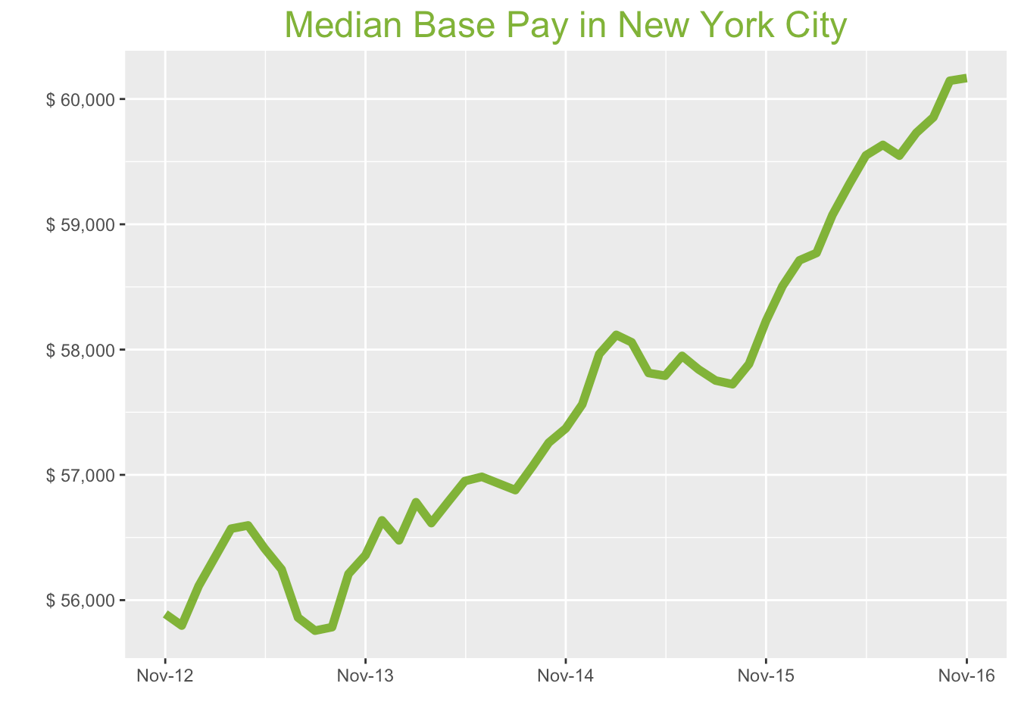
New York City Metro

Nov-16

Job Title

Design
 | Median Base Pay | YoY
Graphic Designer | $58,033 | 4.9%
Education
 | Median Base Pay | YoY
Professor | $117,777 | 0.2%
Teacher | $62,075 | 5.4%
Engineering
 | Median Base Pay | YoY
Mechanical Engineer | $76,304 | -0.8%
Design Engineer | $80,962 | 0.5%
Electrical Engineer | $82,617 | 2.7%
Field Engineer | $78,196 | 4.8%
Finance
 | Median Base Pay | YoY
Financial Analyst | $74,590 | -0.3%
Accountant | $62,790 | 4.3%
Bank Teller | $30,817 | 3.2%
Tax Manager | $115,623 | 2.0%
Insurance Agent | $38,929 | -0.1%
Health
 | Median Base Pay | YoY
Registered Nurse | $85,342 | 3.6%
Physical Therapist | $78,375 | 0.0%
Pharmacy Technician | $29,828 | 5.0%
Medical Assistant | $38,362 | 4.5%
Physician | $227,231 | 2.5%
Medical Technologist | $59,663 | -3.5%
Emergency Medical Technician | $37,913 | 1.1%
Human Resources
 | Median Base Pay | YoY
Recruiter | $59,923 | 6.6%
Human Resources Manager | $87,064 | -0.1%
Labor
 | Median Base Pay | YoY
Technician | $50,247 | 3.0%
Warehouse Associate | $39,081 | 3.1%
Truck Driver | $57,160 | 4.3%
Machine Operator | $37,818 | 6.2%
Construction Laborer | $42,742 | 7.6%
Maintenance Worker | $41,359 | 2.1%
Law
 | Median Base Pay | YoY
Attorney | $129,323 | 8.3%
Paralegal | $51,735 | 2.8%
Manufacturing
 | Median Base Pay | YoY
Production Manager | $74,466 | 4.1%
Manufacturing Engineer | $72,854 | 2.2%
Media
 | Median Base Pay | YoY
Producer | $81,656 | 4.8%
Technical Editor | $60,773 | 2.5%
Operations
 | Median Base Pay | YoY
Operations Manager | $73,932 | 5.3%
Operations Analyst | $73,742 | 2.9%
Professional Services
 | Median Base Pay | YoY
Consultant | $93,517 | 1.7%
Project Manager | $88,652 | 0.4%
Business Analyst | $78,098 | 2.1%
Administrative Assistant | $47,838 | 1.8%
Marketing Manager | $82,679 | 3.7%
Product Manager | $110,820 | 6.5%
Customer Service Manager | $56,309 | 7.1%
Business Development Manager | $87,246 | 5.4%
Communications Manager | $74,705 | 0.5%
Real Estate
 | Median Base Pay | YoY
Property Manager | $59,788 | 2.1%
Food Services
 | Median Base Pay | YoY
Restaurant Cook | $32,384 | 2.5%
Retail
 | Median Base Pay | YoY
Store Manager | $56,192 | 3.6%
Cashier | $29,403 | 4.4%
Buyer | $66,899 | 0.8%
Retail Key Holder | $35,617 | 4.6%
Sales
 | Median Base Pay | YoY
Sales Representative | $52,611 | 2.1%
Sales Manager | $74,115 | 3.3%
Technology
 | Median Base Pay | YoY
Software Engineer | $104,907 | 1.0%
Programmer Analyst | $75,887 | 2.2%
Web Developer | $81,719 | 0.5%
Data Scientist | $119,140 | -0.1%
Data Analyst | $71,800 | 5.1%
Java Developer | $85,617 | -0.3%
Quality Engineer | $75,366 | -1.9%
Web Designer | $70,929 | 3.3%

New York City Quick Facts

 | Nov-16 | YoY
New York City Median Pay | $60,168 | 3.3%
U.S. Median Pay | $51,372 | 3.1%
Job Openings | 267,156 | 21.2%
 | Sep-16 | YoY
Labor Force Size* | 10,042,593 | 0.6%
Total Employment* | 9,523,376 | 0.2%
Unemployment Rate* | 5.20% | 0.4%

Industry

 | Median Base Pay
Accounting & Legal | $60,769
Aerospace & Defense | $64,984
Architecture & Civil Engineering | $61,726
Arts & Entertainment | $53,190
Automotive | $55,119
Banking & Financial Services | $60,023
Beauty & Fitness | $51,979
Biotech & Pharmaceuticals | $65,000
Business Services | $58,519
Computer Software & Hardware | $61,553
Construction | $61,028
Consulting | $61,982
Consumer Electronics | $52,987
Consumer Services | $55,751
Education & Schools | $54,451
Energy & Utilities | $67,977
Facilities | $54,751
Farming & Agriculture | $60,268
Government | $60,013
Health Care & Hospitals | $58,070
Information Technology | $60,382
Insurance | $60,346
Internet & Tech | $61,004
Manufacturing | $61,743
Marketing & Advertising | $56,843
Media & Publishing | $58,346
Nonprofit | $53,993
Private Security | $54,764
Real Estate | $57,476
Recruiting & Staffing | $56,290
Restaurants & Bars | $54,159
Retail | $54,106
Supermarkets | $56,354
Telecommunications | $58,961
Transportation & Logistics | $57,263
Travel & Tourism | $55,286
Wholesale | $58,775

Employer Size

 | Median Base Pay
<51 | $54,824
51-200 | $56,024
201-500 | $56,942
501-1000 | $57,805
1001-5000 | $59,388
5000+ | $60,508

